Datailed Inquiry Information
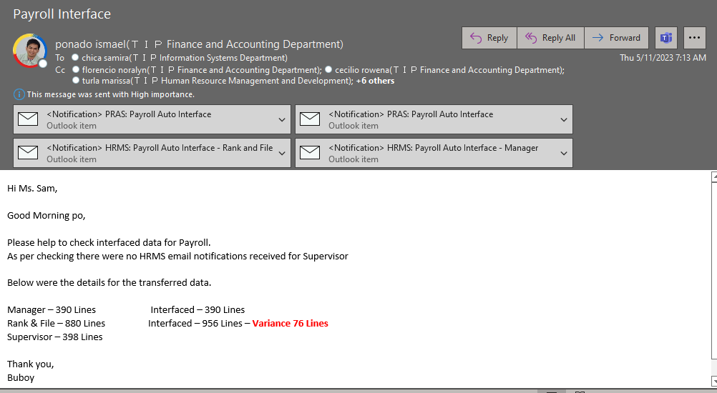
Detailed Inquiry Information

Actual Operation Evidence
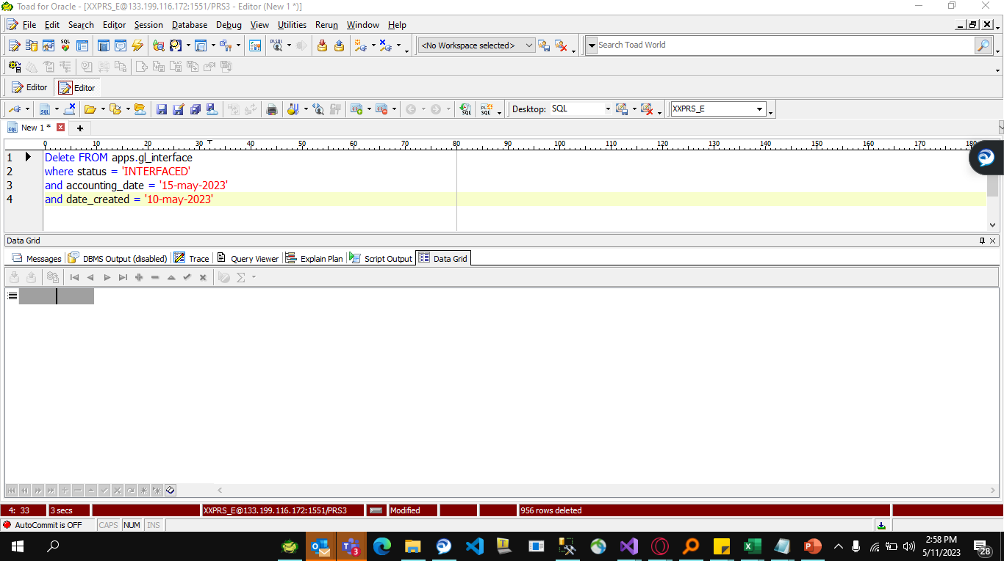
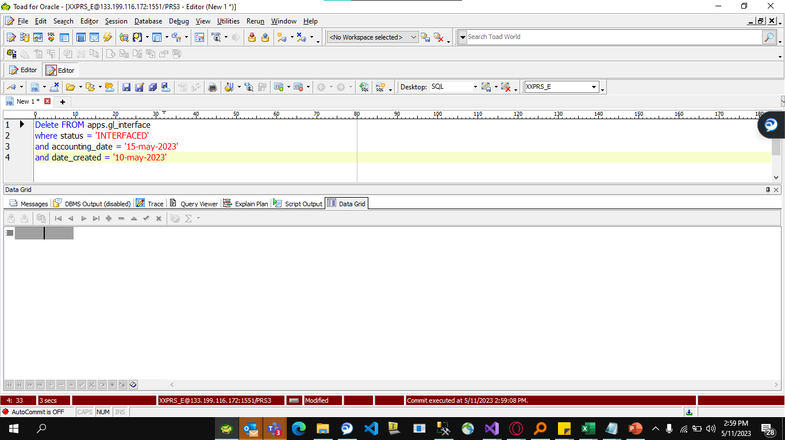
Actual Operation Evidence

Helpdesk Request
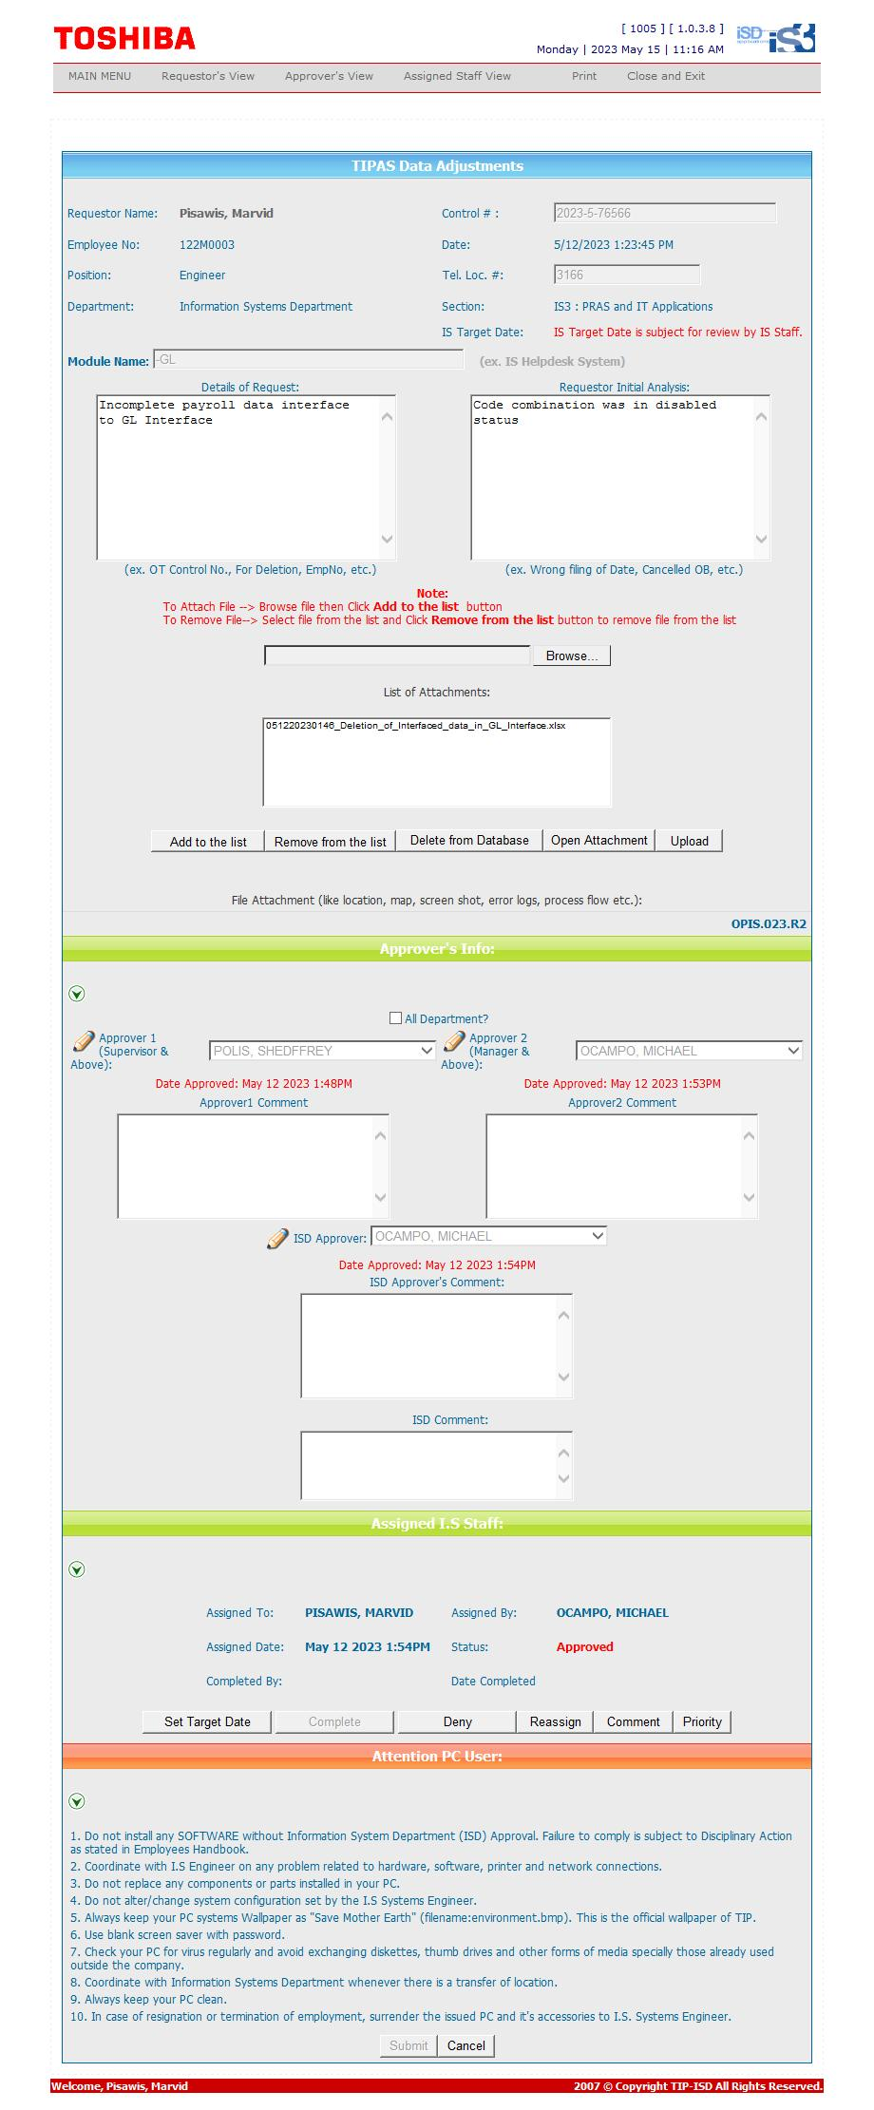
Helpdesk Request

